Sheet1
LEVI'S STORE OPENING PLAN

BATCH | WAVE | STORE
BATCH 1 | WAVE 1 | GRAND INDONESIA, PONDOK INDAH MALL 1, PONDOK INDAH MALL 2, PACIFIC PLACE
 | WAVE 2 | SENAYAN CITY, PLAZA SENAYAN, KELAPA GADING MALL, CENTRAL PARK
BATCH 2 | WAVE 1 | TBA
 | WAVE 2 | TBA
BATCH 3 | WAVE 1 | TBA
 | WAVE 2 | TBA
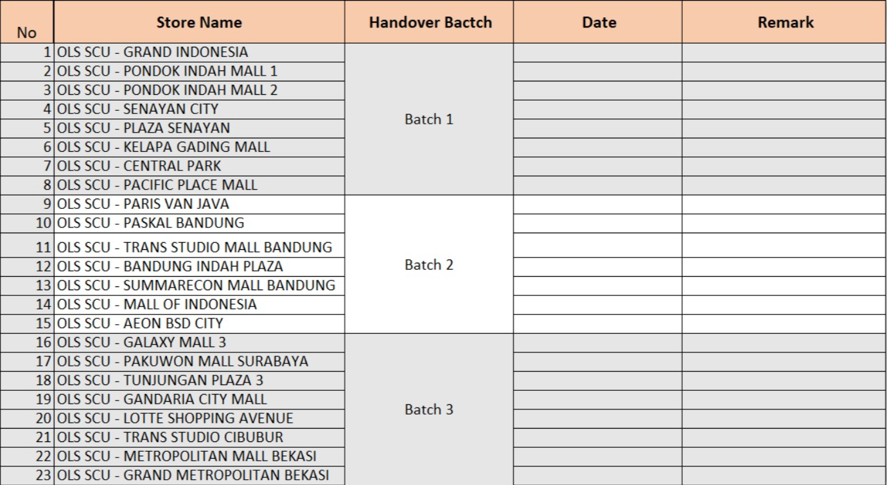

PIC | STORE | ADDRESS
Pak Albi (Team Operational) | LEVI'S GRAND INDONESIA | Level 2, East Mall, Grand Indonesia, Jl. M.H. Thamrin No.1, Jakarta Pusat
Pak Albi (Team Operational) | LEVI'S PONDOK INDAH MALL 1 | Lantai 1, Unit #105 (tepatnya di atas H&M), Jl. Metro Pondok Indah Kav. IV, Jakarta Selatan.
Pak Albi (Team Operational) | LEVI'S PONDOK INDAH MALL 2 | Lt 1 No 116, Jl. Metro Pondok Indah No.Kav 4, RT.1/RW.16, Pd. Pinang, Kec. Kebayoran Lama, Kota Jakarta Selatan, Daerah Khusus Ibukota Jakarta 12310
Pak Albi (Team Operational) | LEVI'S PACIFIC PLACE | Pacific Place level 2, Jl. Jenderal Sudirman, RT.5/RW.3, Senayan, Curug, Kota Jakarta Selatan, Daerah Khusus Ibukota Jakarta 15810
Pak Albi (Team Operational) | LEVI'S SENAYAN CITY | Lantai 3, Jl. Asia Afrika Lot 19, Gelora, Tanah Abang, Jakarta Pusat
Pak Albi (Team Operational) | LEVI'S PLAZA SENAYAN | Plaza Senayan Lt. 3, Jalan Asia Afrika, Senayan, RT.1/RW.3, Gelora, Jakarta Selatan, Kota Jakarta Pusat, Daerah Khusus Ibukota Jakarta 10270
Pak Albi (Team Operational) | LEVI'S KELAPA GADING MALL | Mall Kelapa Gading 2, Lantai 1, Jl. Bulevar Kelapa Gading Blok M, Kelapa Gading Timur, Jakarta Utara
Pak Albi (Team Operational) | LEVI'S CENTRAL PARK | Central Park Mall Lantai UG, Jalan Letjen. S. Parman No.28, Tanjung Duren Selatan, Grogol petamburan, RT.12/RW.6, Tj. Duren Sel., Kec. Grogol petamburan, Kota Jakarta Barat, Daerah Khusus Ibukota Jakarta 11470
Pak Albi (Team Operational) | LEVI'S PARIS VAN JAVA | Lantai GL (Glamour Level), Mal Paris Van Java, Jalan Sukajadi No. 131-139, Cipedes, Kecamatan Sukajadi, Bandung, Jawa Barat. [1, 2]
Pak Albi (Team Operational) | LEVI'S PASKAL BANDUNG | Lantai GL (Glamour Level), Mal Paris Van Java, Jalan Sukajadi No. 131-139, Cipedes, Kecamatan Sukajadi, Bandung, Jawa Barat. [1, 2]
Pak Albi (Team Operational) | LEVI'S TRANS STUDIO MALL BANDUNG | Trans Studio Mall, Jl. Gatot Subroto No.289 G Floor A075, Cibangkong, Kec. Batununggal, Kota Bandung, Jawa Barat 40273
Pak Albi (Team Operational) | LEVI'S BANDUNG INDAH PLAZA | Trans Studio Mall, Jl. Gatot Subroto No.289 G Floor A075, Cibangkong, Kec. Batununggal, Kota Bandung, Jawa Barat 40273
Pak Albi (Team Operational) | LEVI'S SUMMARECON MALL BANDUNG | Jl. Bulevar Summarecon Bandung No. 1, Kelurahan Rancabolang, Kecamatan Gedebage, Kota Bandung, Jawa Barat 40295, Lantai Dasar (Ground Floor / GF).
Pak Albi (Team Operational) | LEVI'S MALL OF INDONESIA | Mall Of Indonesia, Jl. Boulevard Bar. Raya Unit : GF Lobby 7, RT.18/RW.8, West Kelapa Gading, Kelapa Gading, North Jakarta City, Jakarta 14240
Pak Albi (Team Operational) | LEVI'S AEON BSD CITY | 1F, 116, AEON Mall, Grand Boulevard Pagedangan, Raya Utama Jl. BSD Raya Barat, Sampora, Kec. Cisauk, Kabupaten Tangerang, Banten 15345
Pak Albi (Team Operational) | LEVI'S GALAXY MALL 3 | Galaxy Mall 3 Lt.1 Unit 1-308, Jl. Dharmahusada Indah Timur No.35 - 37, Mulyorejo, Kec. Mulyorejo, Surabaya, Jawa Timur 60115
Pak Albi (Team Operational) | LEVI'S PAKUWON MALL SURABAYA | Pakuwon Mall Surabaya, Lantai LG (Lower Ground), Jalan Mayjend. Jonosewojo No. 2, Babatan, Wiyung, Surabaya, Jawa Timur. [1, 2, 3]
Pak Albi (Team Operational) | LEVI'S TUNJUNGAN PLAZA 3 | Lantai 1, Unit 9-15 (Jl. Basuki Rahmat No.8-12, Kedungdoro, Surabaya).
Pak Albi (Team Operational) | LEVI'S GANDARIA CITY MALL | Gandaria City Mall, Jalan Sultan 07/08, RT.10/RW.2, Iskandar Muda, Kebayoran Lama, South Jakarta City, Jakarta 12240, Lantai Upper Ground (UG), Unit 07-08.
Pak Albi (Team Operational) | LEVI'S LOTTE SHOPPING AVENUE | Lotte Shopping Avenue (Lotte Mall Jakarta), Lantai Lower Ground (Unit #39), Jl. Prof. Dr. Satrio Kav. 3-5, Karet Kuningan, Setiabudi, Jakarta Selatan.
Pak Albi (Team Operational) | LEVI'S TRANS STUDIO CIBUBUR | Jl. Alternatif Cibubur No.230 Ground Floor unit G-39, Harjamukti, Kec. Cimanggis, Kota Depok, Jawa Barat 16454
Pak Albi (Team Operational) | LEVI'S METROPOLITAN MALL BEKASI | Metropolitan Mall Bekasi, Lantai Dasar (GF) #15, Jalan K.H. Noer Ali, Pekayon Jaya, Bekasi Selatan, Jawa Barat
Pak Albi (Team Operational) | LEVI'S GRAND METROPOLITAN BEKASI | Metropolitan Mall, Grand No 13 & 14, RT.007/RW.003, Pekayon Jaya, Kec. Bekasi Sel., Kota Bks, Jawa Barat 17148

